employee_list_screen
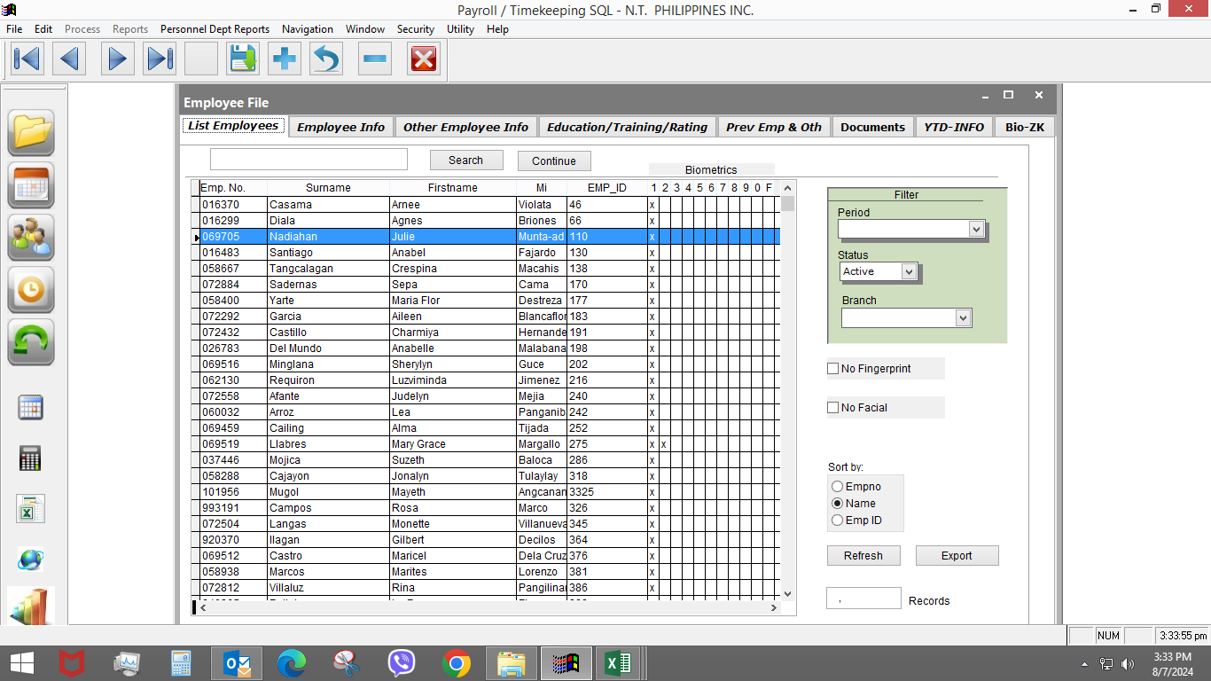

employee_information_screen
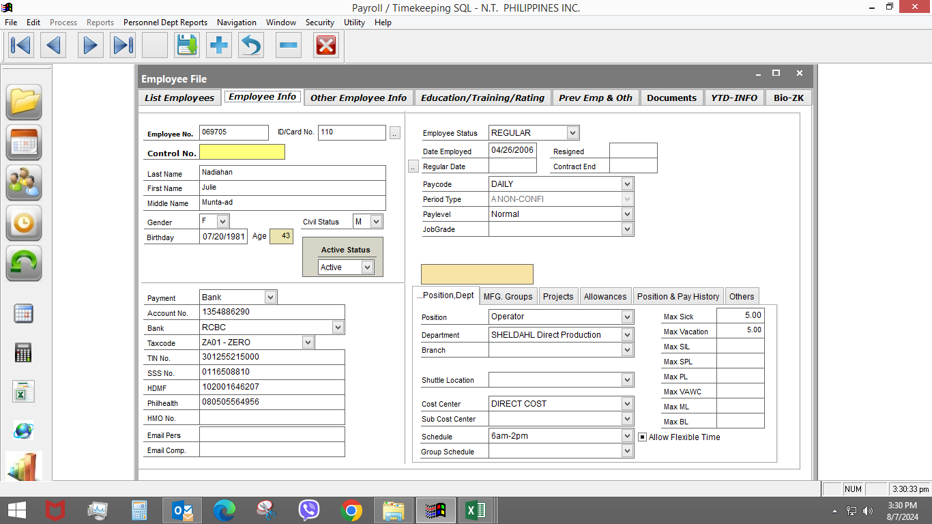

daily_schedule
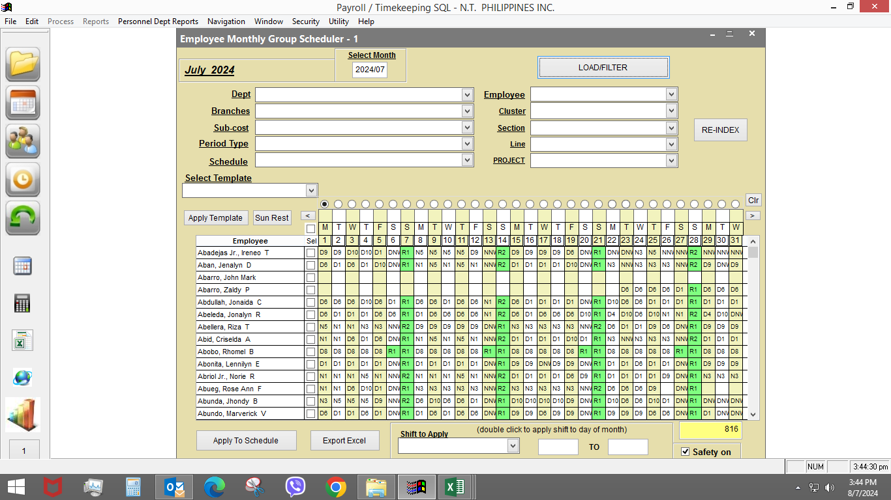

NOTE:
Change of schedule can be done by cost center or by individual employee

